RESP
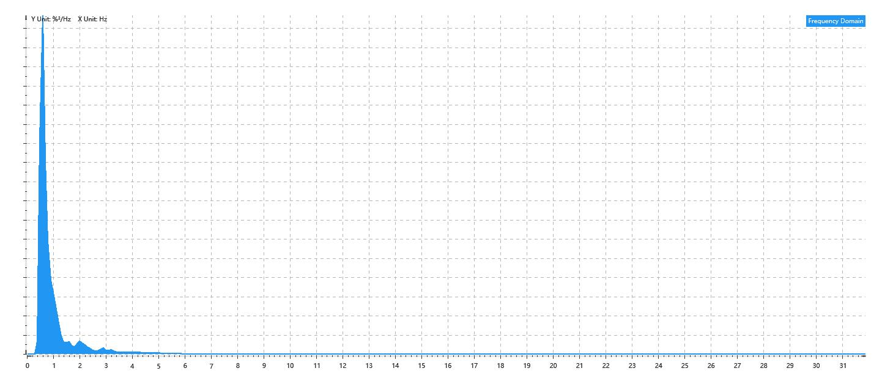
Data Info
 | Recording | 正式实验9
 | Subject | 梁浩
 | Create Time | 2023-11-24 15:33:22.914
 | Data Name | Chest1 RESP
 | Data Type | RESP
 | Sample Rate | 64
 | Segment | 后静息态
 | Start Time | 0:57:29
 | End Time | 1:02:29
 | Duration | 0:05:00

Replay Chart
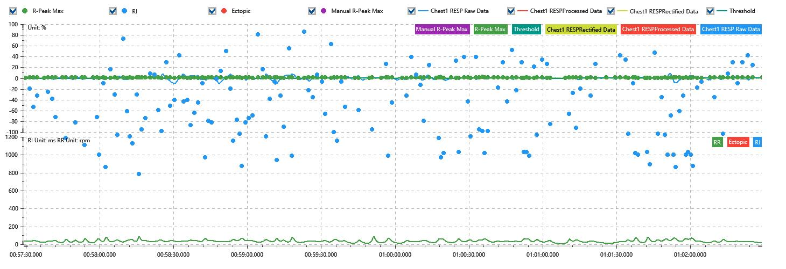

Process parameters
 | Filters
 | Wavlet filter | Enabled | 中
 | Baseline filter | Enabled | 0.5%
 | Band Stop filter | Enabled | 50%
 | Low Pass filter | Enabled | 20%
 | Interbeat Interval
 | R-Peak extraction | Maximum resp rate | 100rpm
 | R-Peak extraction | R-Peak mark threshold | 50%
 | Rectification | Method | Enabled | 滑动平均
 | Rectification | Window size | Enabled | 100ms

Time Domain
 | Data | AVRESP | Std | Max | Min | Range | Data Length
 | Respiratory Rate | 35.48rpm | 13.2rpm | 85.78rpm | 7.48rpm | 78.3rpm | 4800

Frequency Domain
 | Power | Peak | Data Length
 | 1.34%² | 0.6Hz | 320

PSD Chart

